1. Title Page
[Instacart Basket Analysis]

Project Name: Instacart Basket Analysis
Date: 13.03.2025
Analyst Name: Alison Goodwill

Contents:
Population Flow
Consistency checks
Wrangling steps
Column derivations
Visualizations
Recommendations

“The Instacart Online Grocery Shopping Dataset 2017”, Accessed from www.instacart.com/datasets/grocery-shopping-2017 via Kaggle on 25.02.2025.
Note that the customer data, as well as the “prices” column in the products data set, were both fabricated for the purpose of this project for the CareerFoundry Data Analysis course.

2. Population Flow
Title page

Population flow

Exclusion flag
Condition: max_order <
Obervations to be removed:
Final total count of order_products_all:

Orders_products_combined
Orders_products_merged
Orders_products_all

Total: 32,404,859
Total:32,434,489
Total: 32,404,859

1.) The grey boxes in the first row of the population flow represent the original data sets as they were when you downloaded them. In the Total fields you need to add the count of the rows when you imported the data set into Jupyter.
2.) The second row of boxes (coloured) represents the data sets after you manipulated them, e.g., removed missing values and duplicates. In the Total fields you need to add the count of the rows after conducting these operations. This offers a visual oveview of how the data flows throughout the data consistency checks.
3.) The third row, where also the arrows are coloured, represents the merges you performed between the datasets. In the Total fields you need to add the count of the rows in the merged datasets, so that you end up with the final dataset (in the red box). Keep in mind the final dataset should be without exclusions (based on the exclusion flag).

Departments - original dat

3. Consistency checks
 |  |  |  | Title page
Consistency checks

Dataset | Missing values | Missing values treatment | Duplicates
orders | days_since_prior_order (206,209) | assume no prior order; create new customer flag | none found
products | product_name (16) | values removed | found (5) and removed
orders_products_prior
customers
orders_products_all | prices over 100 made Nan | removed outlier prices

4. Wrangling steps
 |  |  |  | Title page
Wrangling steps

Columns dropped | Columns renamed | Columns' type changed | Comment/Reason
eval_set |  |  | not needed for analysis
_merge |  |  | to enable a further merge
 |  | user_id, order_id | changed from int to object
 |  | First name | mixed type to str
 | Surnam to Last_name |  | consistency
order_dow' | orders_day_of_week |  | comprehension

5. Column derivations
 |  |  |  | Title page

Column derivations and aggregations

In this tab you should add tables below that the frequences of flags/label variables that you produced after deriving them. NB: don't do this for continuous variables, only for flags.
Dataset | New column | Column/s it was derived from | Conditions
orders | 'New_customer_flag' | ['order_number'],[ 'days_since_prior_order'] | New customer = 'days_since_prior_order' = NaN AND order_number =1
Orders_products_merged | 'price_range_loc' | ['prices'] | price less than or equal to 5 is 'low range product'; price greater than 5 and less than or equal to 15 is 'mid range product'; price greater than 15 is 'high-range product' |  | price_range_loc Mid-range product 21860860 Low-range product 10126321 High-range product 417678
Orders_products_merged | Busiest_days' | ['orders_day_of_week'] | busiest 0,1; slowest 3,4; else regular |  | Busiest_days Regularly busy 12916111 Busiest days 11864412 Slowest days 7624336
Orders_products_merged | busiest period of day' | ['order_hour_of_day'] | if 09:00 to 17:00; 'most orders'; if 23:00 to 6:00 'fewest orders'; else 'average orders' |  | busiest period of day most_orders 21118071 average orders 9997651 fewest orders 1289137
Orders_products_merged | loyalty_flag | ['max_order'] | Loyal customer = user maximum orders> 40; Regular customer = user maximum orders > 10 but <= 40; New customer = user maximum orders is less than or equal to 10 |  | loyalty_flag Regular customer 15876776 Loyal customer 10284093 New customer 6243990
Orders_products_merged | spending_flag | ['av_product_price'] | Low spender = mean of the prices of products purchased by a user < 10, High spender = mean of the prices of products purchased by a user >= 10. |  | spending_flag Low spender 31770614 High spender 634245
Orders_products_merged | frequency_flag | ['user_id'] ['days_since_prior_order'] | Non-frequent customer = median of “days_since_prior_order” > 20; Regular customer = median >10 and <= 20; Frequent customer = median <= 10 |  | frequency_flag Frequent customer 21559853 Regular customer 7208564 Non-frequent customer 3636437
orders_products_all | exclusion_flag | ['order_number'] | users with less than 5 orders excluded from customer profiles |  | exclusion_flag No 24414877 Yes 7989982
orders_products_all | dependents_flag | ['n_dependents'] | n>=1 is has dependents, n==0 is no dependents |  | dependents_flag Has dependents 18309875 No dependents 6105002
orders_products_all | Region | ['STATE'] | organises states by region: Northeast, Midwest, South, West |  | Region South 10791885 West 8292913 Midwest 7597325 Northeast 5722736
orders_products_all | age_group | ['Age'] | 18-26 is young adult; 26-40 is adult; 40-60 is middle adult; 60+ is senior |  | age_group senior 8330598 middle adult 7665304 adult 5371265 young adult 3047710
orders_products_all | income_group | ['income'] | under $56600 is low; 56,600-169,800 is middle; over 169,800 is high |  | income_group middle 20335470 low 3790160 high 289247

, , , 'max_order',
'loyalty_flag', 'av_product_price', 'spending_flag',
'Frequent customer', , 'Region', ,
'age_group', 'income_group', 'dept_label',

6. Visualizations
Title page

Visualisations

In this tab you should include all the visualiztions from Exercises 4.9 and 4.10, alongside the questions from the project brief that they answer. Include any commentary on the relationship between different variables.

Key Question 1: Busiest days of the week and busiest hours of the day _ Saturdays and Sundays between 9am and 5pm
Key Question 5: Brand loyalty and regional variations. A loyal customer has over 40 orders. Almost one third of customers are loyal. Almost half our (regular) customers are on their way to becoming loyal. In the midwest 40% of our customers are loyal. We have the most customers in the south and they tend to buy more high range products than other regions. Mid-range products are the most popular across regions. Loyal and regular customers are more likely to buy high-range products.
Key Question 7: Interesting demographics
Our wealthiest customers are over 40, however people with the high incomes buy the low and mid-range products. Sales volumes come from low spenders. Very few customers are high spenders (average product price over $10). Customers with high incomes are just as likely to have dependents as those with lower incomes. We see a similar income distribution across all regions. Most customers are in the middle income bracket, and purchase mostly low and mid-range items.



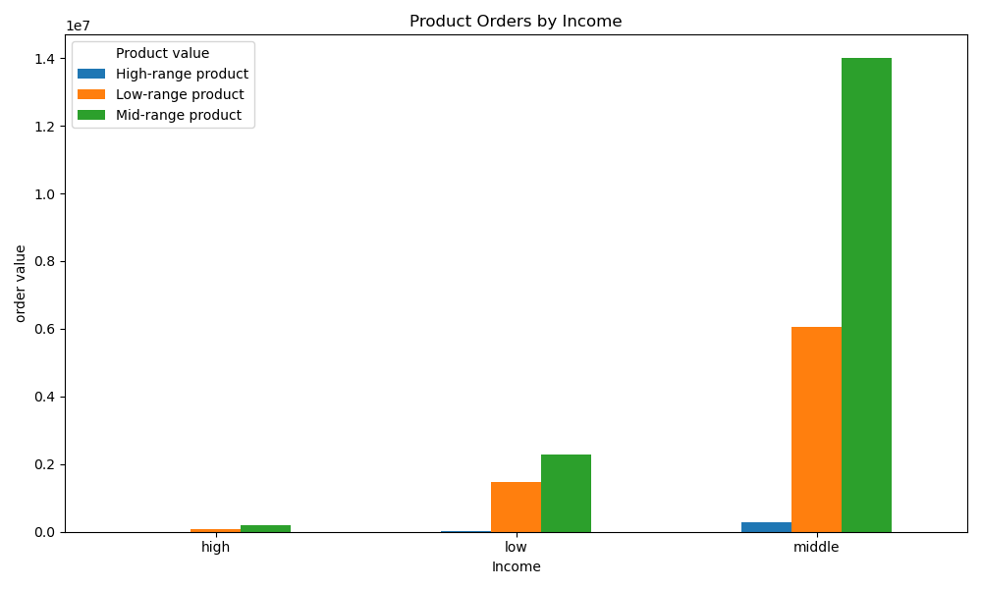
Hours of the day (24 hour clock)
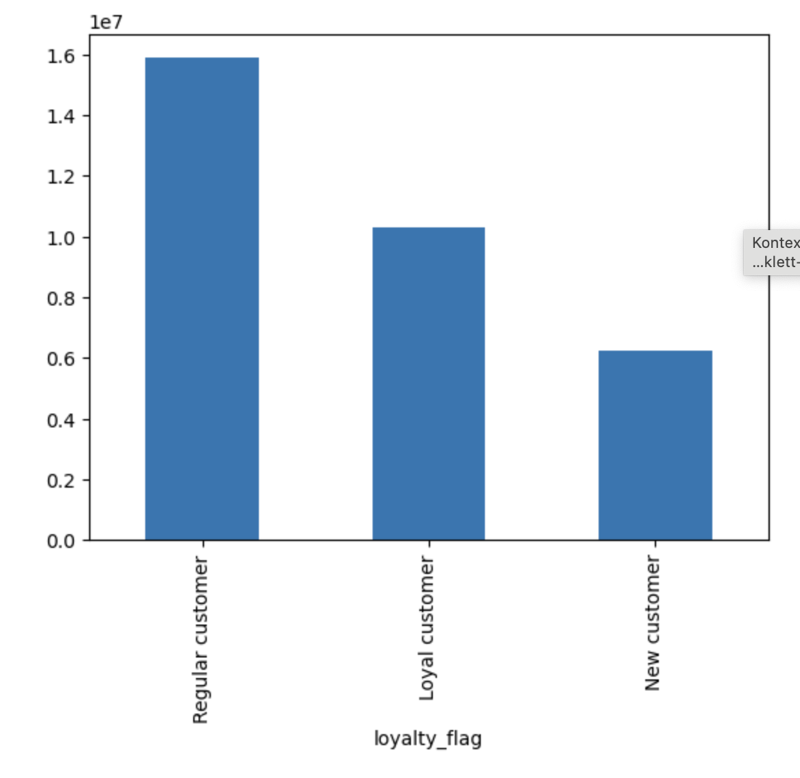

Key:
0 Saturday
1 Sunday
2 Monday
3 Tuesday
4 Wednesday
5 Thursday
6 Friday
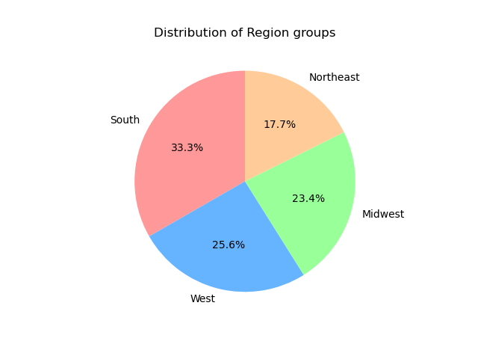
Key:
Loyal more than 40 orders
Regular
10 to 40 orders
New under 10 orders

Key Question 2: Hours of the day by expenditure _ the most expensive products sell at 3am; the cheapest at 9-10am.

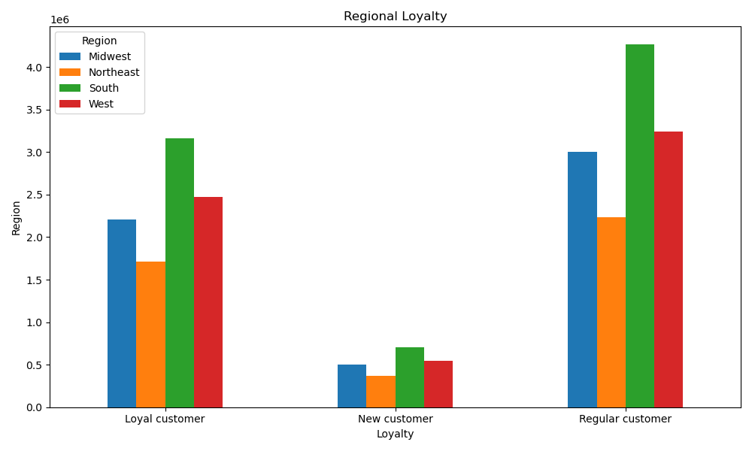
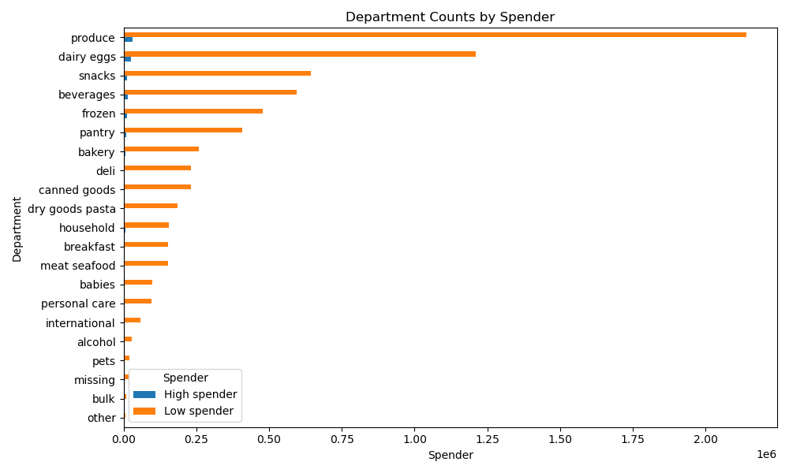
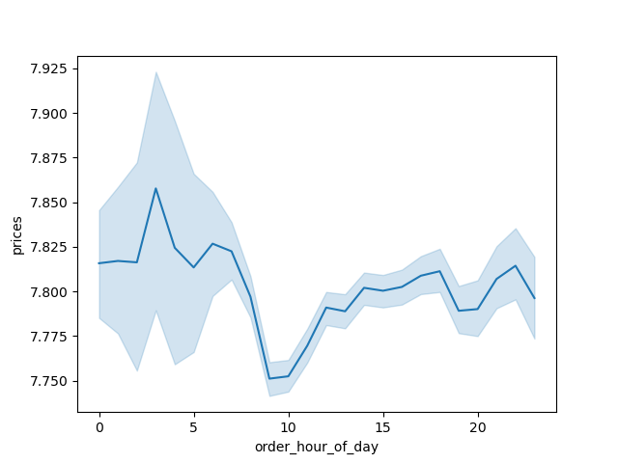
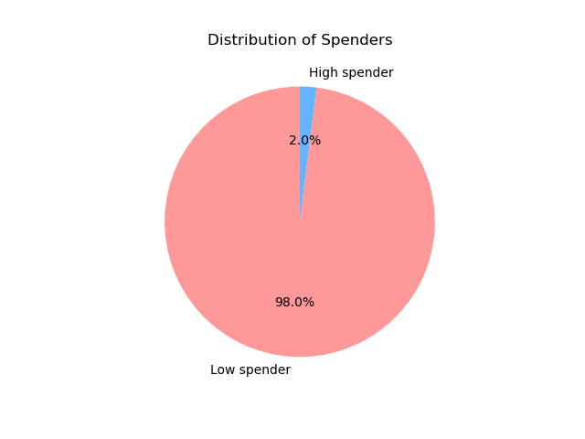

Highest % loyal customers at 40%

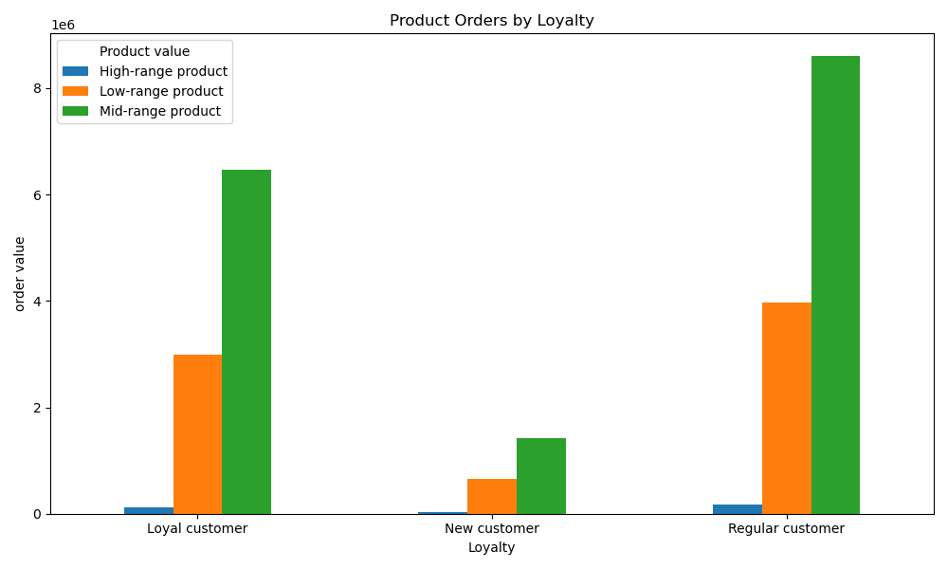

Key Question 3: High, low and mid-range products
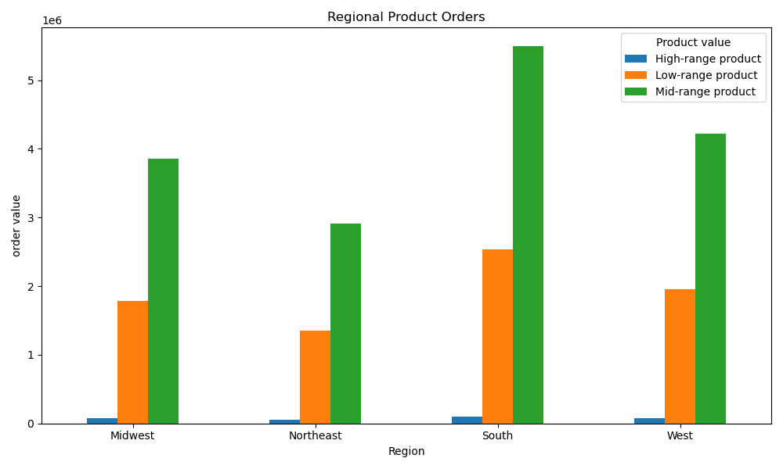
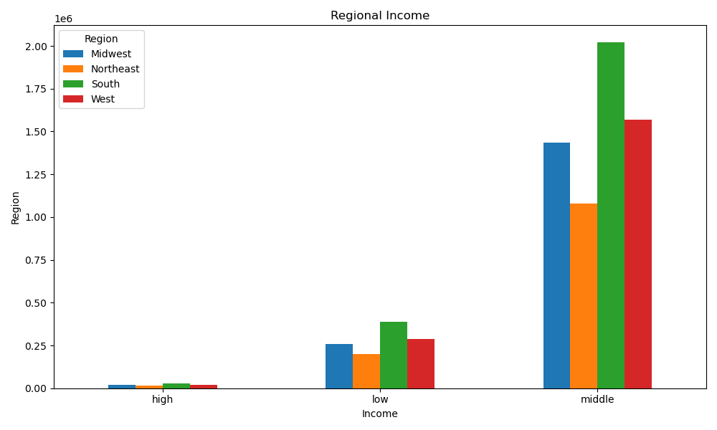
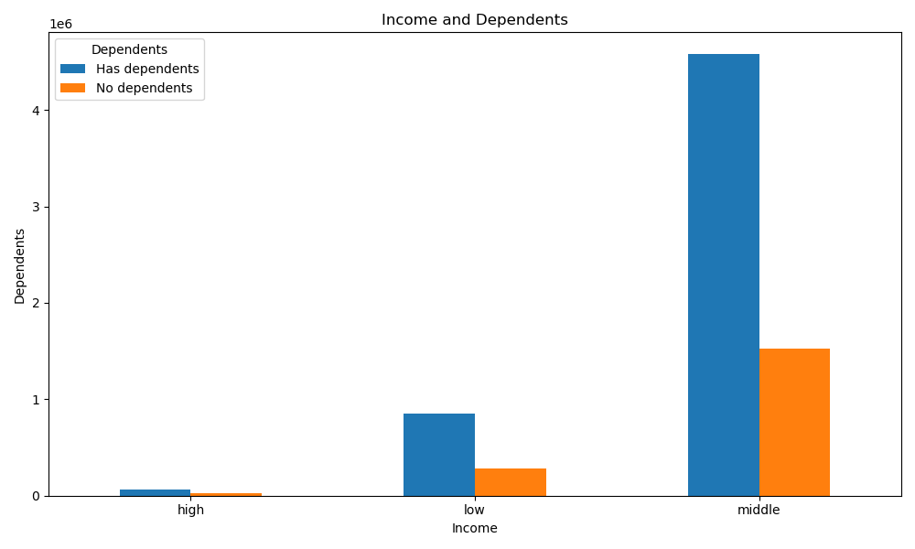

Product sales
Low-range | 10126321
Mid-range | 21860860
High-range | 417678
Key:
Low-range $5 and under
Mid-range
over $5 and up to $15
High-range over $15

Key Question 4: Product popularity: Produce is our strong department lead for sales, followed by dairy and snack foods.
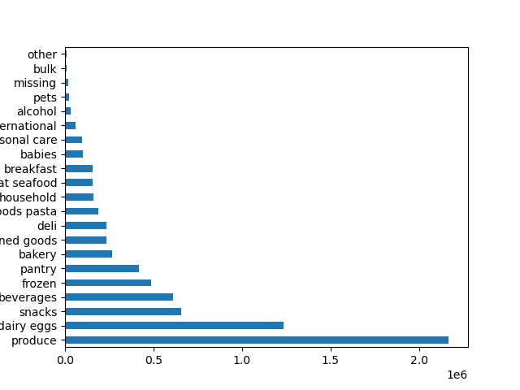
Key Question 6: Ordering behaviour by age and family status
Married people make the fewest orders. Young adults make the most orders. Divorced/ widowed people or those living with parents/siblings buy higher value products. Single people choose the lowest value products. Seniors buy higher value products.
Key Question 8: Differences in customer profiles
Single people place a lot of orders but purchase low range products. Married people place the least orders, but spend more per item than singles. Young adults place the most orders. Seniors spend more per product, but place the least orders.
Divorced/ widowed people or those living with parents/siblings buy higher value products and place the most orders.
Most customers live in the South and they buy the most produce, dairy eggs ,snacks and beverages.

Number of orders by family status
divorced/widowed | 22,119
living with parents and siblings | 22,102
married | 21,886
single | 22,089
Product price by family status
divorced/widowed | 7,803
living with parents and siblings | 7,801
married | 7,790
single | 7,785

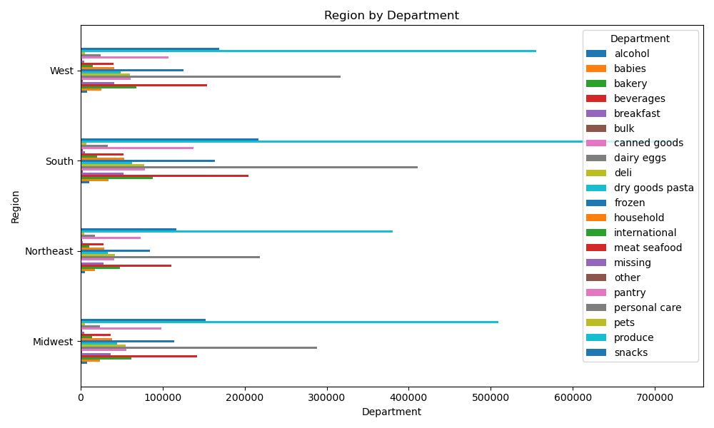

Number of orders by age
young adult | 21,992
adult | 21,956
middle adult | 21,947
senior | 21,933
Product price by age
young adult | 7,785
adult | 7,786
middle adult | 7,791
senior | 7,795

7. Recommendations
 |  |  | Title page

Recommendations

In this tab you should include any recommendations you would made to Instcart in terms of their marketing strategy based on the questions posed in the brief. Every key question has been covered in the Tasks of the Exercises - here you need to add an item - a visualisation or table/crosstable that is showing the answer in the data, acompanied by a comment from you. Please, list the questions below and add the answer underneath.

Question | Answer | Recommendation
Key Question 1: What the busiest days of the week and hours of the day are (i.e., the days and times with the most orders) in order to schedule ads at times when there are fewer orders. | Saturday and Sunday are the busiest days and Tuesday and Wednesday are the slowest days. The highest volume of orders is placed between 9-5pm . Overnight 11pm to 6am is the slowest. Early morning is busier than evenings. | Schedule ads on Tuesdays and Wednesdays or in the evenings. Consider also offering cheaper delivery or discounted products in the evenings. As we have guaranteed sales on weekends, perhaps special offers are best at other times.
Key Question 2: Are there particular times of the day when people spend the most money, as this might inform the type of products they advertise at these times. | There is a difference in expenditure depending on hour of the day. The most expensive products sell best at 3am. Products with the lowest prices sell around 10am. Products with moderate prices are purchased in the afternoon and evening. | Consider promoting mid to high-range products around 9-10am while more people are shopping. Show high or mid-range products on low-range product pages.
Key Question 3: Instacart has a lot of products with different price tags. Marketing and sales want to use simpler price range groupings to help direct their efforts. | Products are now grouped into low, mid and high range. Low range products are those $5 and under, mid range are over $5 and up to $15 and high range are those over $15. | High range products are our lowest sales and could be promoted if we want to increase this sector. Further analysis to look at product combinations eg. What else do people buy when they purchase a high-range product?
Key Question 4: Are there certain types of products that are more popular than others? Which departments have the highest frequency of product orders? | These departments have the highest frequency of product orders (in descending order): 1. produce 2. dairy eggs 3.snacks 4. beverages 5. frozen 6.pantry 7. bakery | Potential to attract new customers by advertising our produce. Consider cross promotion possibilities to move high-range products eg. Snacks and alcohol, beverages and personal care products. Regular advertising could include products from one of the top seven departments, so that customers see products they purchase regularly.
Key Question 5: a What’s the distribution among users in regards to their brand loyalty (i.e., how often do they return to Instacart)? b Are there differences in ordering habits based on a customer’s loyalty status? c Are there differences in ordering habits based on a customer’s region? | A loyal customer has over 40 orders. Almost one third of customers are loyal. Almost half our (regular) customers are on their way to becoming loyal. In the midwest region 40% of our customers are loyal. We have the most customers in the South and they tend to buy more high-range products than other regions. Mid-range products are the most popular across regions. Loyal and regular customers are more likely to buy high-range products. | Potential to pilot a loyalty program in the Midwest region. Further analysis may uncover specific locations where customers make the most orders in the midwest. The South region may be suited to test new high-range products.
Key Question 6: Is there a connection between age and family status in terms of ordering habits? | Married people make the fewest orders. Young adults make the most orders. Divorced/ widowed people or those living with parents/siblings buy higher value products. Single people choose the lowest value products. Seniors buy higher value products. | Consider promoting high-range products to adults over 60, middle adults without current partners and people who live with parents/siblings.
Key Question 7: What different classifications does the demographic information suggest? Age? Income? Certain types of goods? Family status? | Our wealthiest customers are over 40, however people with the high incomes buy the low and mid-range products. Sales volumes come from low spenders. Very few customers are high spenders (average product price over $10). Customers with high incomes are just as likely to have dependents as those with lower incomes. We see a similar income distribution across all regions. Most customers are in the middle income bracket, and purchase mostly low and mid-range items. | Check if this understanding of income and spending behaviour aligns with current sales and marketing strategies. Investigate how we collected dependents data. Most customers have dependents, even seniors. Young adults with dependents are not purchasing more from the babies department than other age groups.Need to rule out potential collection or system error.
Key Question 8: What differences can you find in ordering habits of different customer profiles? Consider the price of orders, the frequency of orders, the products customers are ordering, and anything else you can think of. | Single people place a lot of orders but purchase low range products. Married people place the least orders, but spend more per item than singles. Young adults place the most orders. Seniors spend more per product, but place the least orders. Divorced/ widowed people or those living with parents/siblings buy higher value products and place the most orders. Most customers live in the South and they buy the most produce, dairy eggs ,snacks and beverages. | Further analysis such as survey of married people to understand why they order less (more organised, prefer brick and mortar stores, eat more takeout?). Also further analysis to see if there is a likely time of day or day of week that seniors order to promote high range products (current analysis shows no difference across ages).

